Rules
 |  | INPUT |  |  |  |  |  |  |  |  | FITUR

 | Layer 1 |  | Label | Layer 2 | Code | Layer 3 | Score | % | Sum | A0 | Profile | Weight | %
1 | A0 | Demography & Socio economic profile | A1 | Age | 0 | < 19 tahun | 60 | 20.0% |  | A1 | Age | 90 | 15.1%
 |  |  |  |  | 1 | 19 - <45 tahun | 70 | 23.3% |  | A2 | Gender | 95 | 16.0%
 |  |  |  |  | 2 | 45 - <60 tahun | 80 | 26.7% | 100.0% | A3 | Marital status | 85 | 14.3%
 |  |  |  |  | 3 | ≥60 tahun | 90 | 30.0% | 300 | A4 | Payer | 75 | 12.6%
2 |  |  | A2 | Gender | 1 | Laki-laki | 90 | 60.0% | 100.0% | A5 | Home address | 70 | 11.8%
 |  |  |  |  | 2 | Perempuan | 60 | 40.0% | 150 | A6 | Living partner | 80 | 13.4%
3 |  |  | A3 | Marital Status | 0 | tidak kawin | 80 | 38.1% |  | A7 | Education | 50 | 8.4%
 |  |  |  |  | 1 | kawin | 60 | 28.6% | 100.0% | A8 | Occupation | 50 | 8.4%
 |  |  |  |  | 2 | janda/duda | 70 | 33.3% | 210 |  |  | 595 | 100.0%
4 |  |  | A4 | Payer | 0 | pembayaran pribadi | 40 | 13.6% |  | B0 | Medical History | Weight | %
 |  |  |  |  | 1 | asuransi kesehatan non BPJS Kesehatan | 70 | 23.7% |  | B1 | Family history of HF | 70 | 12.1%
 |  |  |  |  | 2 | BPJS Kesehatan | 95 | 32.2% | 100.0% | B2 | HF diagnosed period | 80 | 13.8%
 |  |  |  |  | 3 | perusahaan/korporasi | 90 | 30.5% | 295 | B3 | ICU/HCU of current admission | 85 | 14.7%
 |  |  | A5 | Home Address | 1 | area jabodetabek | 90 | 50.0% |  | B4 | LOS | 83 | 14.4%
 |  |  |  |  | 2 | pulau Jawa diluar area jabodetabek | 60 | 33.3% | 100.0% | B5 | Number of HF admission in the last 1 year | 90 | 15.6%
 |  |  |  |  | 3 | luar pulau Jawa | 30 | 16.7% | 180 | B6 | Number of ED Visit because of HF in the last 1 year | 95 | 16.4%
6 |  |  | A6 | Living Partner | 0 | Tinggal sendiri | 80 | 14.0% | 107.3% | B7 | Outpatient control adherence once a month after discharge | 75 | 13.0%
 |  |  |  |  | 1 | Tinggal bersama orang lain | 60 | 10.5% | 570 |  |  | 578 | 100.0%
 |  |  | A7 | Education | 0 | tidak sekolah | 80 | 15.4% |  | C0 | Habits | Weight | %
 |  |  |  |  | 1 | SD | 60 | 11.5% |  | C1 | Smoking | 90 | 33.3%
 |  |  |  |  | 2 | SLTP | 65 | 12.5% |  | C2 | Alcohol | 80 | 29.6%
 |  |  |  |  | 3 | SLTA | 70 | 13.5% |  | C3 | Salt diet | 30 | 11.1%
 |  |  |  |  | 4 | S1 | 75 | 14.4% |  | C4 | Substance abuse | 70 | 25.9%
 |  |  |  |  | 5 | S2 | 80 | 15.4% | 100.0% |  |  | 270 | 100%
 |  |  |  |  | 6 | S3 atau lebih | 90 | 17.3% | 520 | D0 | Medication Therapy | Weight | %
8 |  |  | A8 | Occupation | 0 | tidak bekerja | 60 | 28.6% |  | D1 | ACE Inhibitor/ARB/ARNI | 75 | 23.8%
 |  |  |  |  | 1 | pegawai negeri/swasta | 70 | 33.3% | 100.0% | D2 | Diuretics | 90 | 28.6%
 |  |  |  |  | 2 | wiraswasta | 80 | 38.1% | 210 | D3 | Beta blocker | 80 | 25.4%
10 | B0 | Medical History | B1 | Family history of HF | 0 | tidak ada riwayat penyakit gagal jantung di keluarga | 60 | 40.0% | 100.0% | D4 | Spironolacton | 70 | 22.2%
 |  |  |  |  | 1 | ada riwayat gagal jantung di keluarga | 90 | 60.0% | 150 |  |  | 315 | 100%
11 |  |  | B2 | HF diagnosed period | 0 | baru kali ini | 30 | 6.1% |  | E0 | Sign, symptoms, physical assessment | Weight | %
 |  |  |  |  | 1 | <1 th. | 50 | 10.2% |  | E1 | Shortness of breath | 78 | 8.9%
 |  |  |  |  | 2 | 1 - <2th | 70 | 14.3% |  | E2 | Edema | 70 | 8.0%
 |  |  |  |  | 3 | 2 - <3th | 75 | 15.3% |  | E3 | Systolic Blood Pressure | 92 | 10.5%
 |  |  |  |  | 4 | 3 - <5 th | 80 | 16.3% |  | E4 | Diastolic Blood Pressure | 90 | 10.2%
 |  |  |  |  | 5 | 5 - <10 th | 90 | 18.4% | 100.0% | E5 | Heart Rate | 95 | 10.8%
 |  |  |  |  | 6 | ≥10 th | 95 | 19.4% | 490 | E6 | Respiratory Rate | 85 | 9.7%
12 |  |  | B3 | ICU/HCU of current admission | 0 | Tidak dirawat di ICU/HCU | 30 | 25.0% | 100.0% | E7 | O2 Saturation | 80 | 9.1%
 |  |  |  |  | 1 | Dirawat di ICU/HCU | 90 | 75.0% | 120 | E8 | Jugular Venous Pressure | 65 | 7.4%
 |  |  | B4 | Length of Stay (LOS) because of HF of current admission | 0 | <4 hari | 20 | 8.7% |  | E9 | LVEF | 75 | 8.5%
 |  |  |  |  | 1 | 4 sd <7 hari | 50 | 21.7% |  | E10 | NYHA Classification | 90 | 10.2%
 |  |  |  |  | 2 | 7 sd < 10 hari | 70 | 30.4% | 100.0% | E11 | Body Mass Index | 60 | 6.8%
 |  |  |  |  | 3 | ≥10 hari | 90 | 39.1% | 230 |  |  | 880 | 100%
 |  |  | B5 | Number of HF admission in the last 1 year | 0 | belum pernah dirawat karena HF dalam 1 tahun terakhir | 30 | 9.4% |  | F0 | Lab Results | Weight | %
 |  |  |  |  | 1 | 1 x dirawat karena HF dalam 1 tahun terakhir | 50 | 15.6% |  | F1 | Hemoglobin | 70 | 8.6%
 |  |  |  |  | 2 | 2 x dirawat karena HF dalam 1 tahun terakhir | 70 | 21.9% |  | F2 | Hematocrit | 73 | 9.0%
 |  |  |  |  | 3 | 3 x dirawat karena HF dalam 1 tahun terakhir | 80 | 25.0% | 100.0% | F3 | White Blood Cell | 75 | 9.2%
 |  |  |  |  | 4 | >3 x dirawat karena HF dalam 1 tahun terakhir | 90 | 28.1% | 320 | F4 | Glucose | 93 | 11.4%
 |  |  | B6 | Number of ED Visit because of HF in the last 1 year | 0 | belum pernah berobat ke IGD karena HF dalam 1 tahun terakhir | 30 | 9.4% |  | F5 | Sodium | 83 | 10.2%
 |  |  |  |  | 1 | 1 x berobat ke IGD karena HF dalam 1 tahun terakhir | 50 | 15.6% |  | F6 | Potassium | 82 | 10.1%
 |  |  |  |  | 2 | 2 x berobat ke IGD karena HF dalam 1 tahun terakhir | 70 | 21.9% |  | F7 | Balance Urea Nitrogen | 84 | 10.3%
 |  |  |  |  | 3 | 3 x berobat ke IGD karena HF dalam 1 tahun terakhir | 80 | 25.0% | 100.0% | F8 | Urea | 90 | 11.0%
 |  |  |  |  | 4 | >3 x berobat ke IGD karena HF dalam 1 tahun terakhir | 90 | 28.1% | 320 | F9 | Creatinine | 85 | 10.4%
 |  |  | B7 | Outpatient control adherence once a month after discharge | 0 | tidak teratur berobat jalan 1 bulan sekali | 80 | 72.7% | 100.0% | F10 | GFR | 80 | 9.8%
 |  |  |  |  | 1 | teratur berobat jalan 1 bulan sekali | 30 | 27.3% | 110 |  |  | 815 | 100.0%
17 | C0 | Habits | C1 | Smoking | 0 | tidak merokok sama sekali | 20 | 20.0% | 100.0% | G0 | Comorbid | Weight | %
 |  |  |  |  | 1 | merokok | 80 | 80.0% | 100 | G1 | Anemia | 90 | 5.3%
18 |  |  | C2 | Alcohol | 0 | tidak minum alkohol | 20 | 20.0% | 100.0% | G2 | Aortic Valve Disorder | 80 | 4.7%
 |  |  |  |  | 1 | minum alkohol | 80 | 80.0% | 100 | G3 | Asthma | 82 | 4.9%
19 |  |  | C3 | Salt diet | 0 | tidak melakukan diet rendah garam | 80 | 72.7% | 100.0% | G4 | Cancer | 83 | 4.9%
 |  |  |  |  | 1 | melakukan diet rendah garam | 30 | 27.3% | 110 | G5 | Cardiac Arrhythmia | 96 | 5.7%
20 |  |  | C4 | Substance abuse | 0 | tidak menggunakan NAPZA | 20 | 18.2% | 100.0% | G6 | Cerebrovascular Accident/Stroke | 89 | 5.3%
 |  |  |  |  | 1 | menggunakan NAPZA | 90 | 81.8% | 110 | G7 | Coronary Artery Disease | 95 | 5.6%
21 | D0 | Medication Therapy | D1 | ACE Inhibitor/ARB/ARNI | 0 | tidak mendapat obat golongan ACE inhibitor | 30 | 30.0% | 100.0% | G8 | COPD | 85 | 5.0%
 |  |  |  |  | 1 | mendapat obat golongan ACE inhibitor | 70 | 70.0% | 100 | G9 | Dementia | 70 | 4.1%
22 |  |  | D2 | Diuretics | 0 | tidak mendapat obat golongan Diuretics | 30 | 27.3% | 100.0% | G10 | Depression | 70 | 4.1%
 |  |  |  |  | 1 | mendapat obat golongan Diuretics | 80 | 72.7% | 110 | G11 | Diabetes Mellitus | 90 | 5.3%
23 |  |  | D3 | Beta blocker | 0 | tidak mendapat obat golongan Beta blocker | 30 | 27.3% | 100.0% | G12 | Dyslipidemia | 70 | 4.1%
 |  |  |  |  | 1 | mendapat obat golongan Beta Blocker | 80 | 72.7% | 110 | G13 | Hypertension | 74 | 4.4%
 |  |  | D4 | Spironolacton | 0 | tidak mendapat obat golongan Spironolakton | 30 | 33.3% | 100.0% | G14 | Liver Disease | 70 | 4.1%
24 |  |  |  |  | 1 | mendapat obat golongan Spironolakton | 60 | 66.7% | 90 | G15 | Lung Disease | 75 | 4.4%
25 | E0 | Sign, symptoms, physical assessment | E1 | Shortness of breath | 0 | Tidak ada sesak nafas | 30 | 27.3% | 100.0% | G16 | Protein Caloric Malnutrition | 90 | 5.3%
 |  |  |  |  | 1 | Ada sesak nafas | 80 | 72.7% | 110 | G17 | Psychiatric Disorder | 70 | 4.1%
26 |  |  | E2 | Edema | 0 | Tidak ada udema | 50 | 38.5% | 100.0% | G18 | Renal Disease Group | 93 | 5.5%
 |  |  |  |  | 1 | Ada udema | 80 | 61.5% | 130 | G19 | Rheumatic Disease Group | 65 | 3.9%
27 |  |  | E3 | Systolic Blood Pressure | 0 | <90 mmHg | 80 | 19.3% |  | G20 | Thyroid disease | 70 | 4.1%
 |  |  |  |  | 1 | 90-119 mmHg | 30 | 7.2% |  | G21 | Vascular Disease Group | 80 | 4.7%
 |  |  |  |  | 2 | 120-129 mmHg | 50 | 12.0% |  |  |  | 1687 | 100.0%
 |  |  |  |  | 3 | 130-139 mmHg | 80 | 19.3% |  | H0 | Medical Procedure History or implant | Weight | %
 |  |  |  |  | 4 | 140-179 mmHg | 85 | 20.5% | 100.0% | H1 | Cancer related procedure | 85 | 20.0%
 |  |  |  |  | 5 | ≥180 mmHg | 90 | 21.7% | 415 | H2 | Cardiac Devices | 95 | 22.4%
28 |  |  | E4 | Diastolic Blood Pressure | 0 | <60 mmHg | 80 | 24.2% |  | H3 | Cardiac Surgery | 90 | 21.2%
 |  |  |  |  | 1 | 60-79 mmHg | 50 | 15.2% |  | H4 | Coronary Angioplasty | 75 | 17.6%
 |  |  |  |  | 2 | 80-89mmHg | 30 | 9.1% |  | H5 | Mechanical Ventilation Devices | 80 | 18.8%
 |  |  |  |  | 3 | 90 -109 mm Hg | 80 | 24.2% | 100.0% |  |  | 425 | 100.0%
 |  |  |  |  | 4 | ≥110 mmHg | 90 | 27.3% | 330
29 |  |  | E5 | Heart Rate | 0 | kurang dari normal = <60 x/menit | 50 | 29.4%
 |  |  |  |  | 1 | normal = 60-100 x/menit | 30 | 17.6% | 100.0% | OP1_num | Severity | Weight | %
 |  |  |  |  | 2 | lebih dari normal = >100 x/menit | 90 | 52.9% | 170 | LVEF | Left Ventricle Ejection Fraction | 75 | 21.7%
 |  |  | E6 | Respiratory Rate | 0 | <12 x/menit | 70 | 25.9% |  | NYHA | New York Heart Assosiation Classification | 90 | 26.1%
30 |  |  |  |  | 1 | 12-20 x/menit | 30 | 11.1% |  | F9 | Creatinine | 85 | 24.6%
 |  |  |  |  | 2 | 21-28 x/menit | 80 | 29.6% | 100.0% | G7 | Coronary Artery Disease | 95 | 27.5%
 |  |  |  |  | 3 | >28x/menit | 90 | 33.3% | 270 |  |  | 345 | 100%
31 |  |  | E7 | O2 Saturation | 0 | <90% | 90 | 36.0%
 |  |  |  |  | 1 | 90-<94% | 80 | 32.0% |  | OP1_cat | Severity 1
 |  |  |  |  | 2 | 94-<98% | 50 | 20.0% | 100.0% | 1 | 0 - 30
 |  |  |  |  | 3 | 98-100% | 30 | 12.0% | 250 | 2 | 31-40 |  |  | OP1_cat |  | OP1A_cat
32 |  |  | E8 | Jugular Venous Pressure | 0 | JVP tidak meningkat | 30 | 27.3% | 100.0% | 3 | 41-50
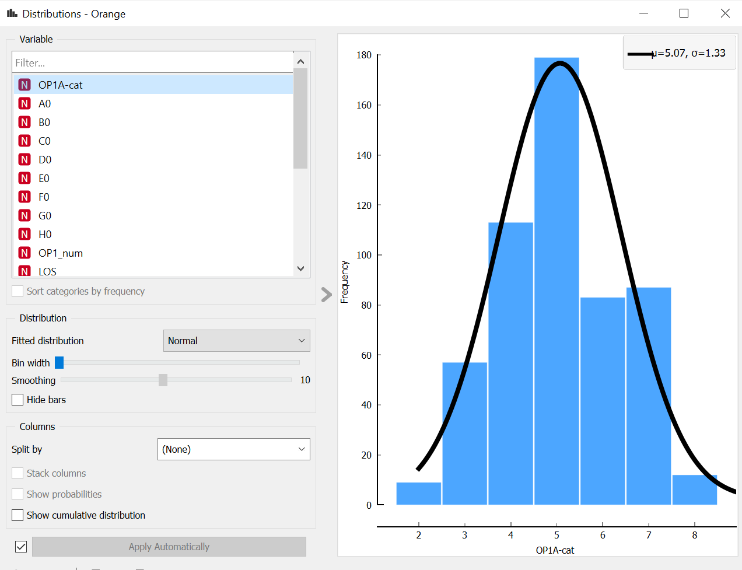
 |  |  |  |  | 1 | JVP meningkat | 80 | 72.7% | 110 | 4 | 51-60
 |  |  | E9 | LVEF ( Echo : EF %) | 0 | HFrEF = LVEF <40% | 95 | 44.2% |  | 5 | 61-70
 |  |  |  |  | 1 | HFmrEF = LVEF 40 - 50% | 70 | 32.6% | 100.0% | 6 | 71-80
 |  |  |  |  | 2 | HFpEF = LVEF >50% | 50 | 23.3% | 215 | 7 | 81-90
 |  |  | E10 | NYHA Classification | 1 | NYHA Class I | 40 | 14.5% |  | 8 | 90-100
 |  |  |  |  | 2 | NYHA Class II | 60 | 21.8%
 |  |  |  |  | 3 | NYHA Class III | 80 | 29.1% | 100.0%
 |  |  |  |  | 4 | NYHA Class IV | 95 | 34.5% | 275 | OP1A_cat | Severity 1A
35 |  |  | E11 | Body Mass Index | 0 | <18.5: underweight | 50 | 21.7% |  | 1 | 0 - 30
 |  |  |  |  | 1 | 18.5 - 24.9 :Healthy weight | 30 | 13.0% |  | 2 | 31-40
 |  |  |  |  | 2 | 25.0-29.9: overweight | 70 | 30.4% | 100.0% | 3 | 41-50
 |  |  |  |  | 3 | ≥30: obese | 80 | 34.8% | 230 | 4 | 51-55
36 | F0 | Lab Results | F1 | Hemoglobin | 0 | kurang dari normal = <13.40 mg/dl (M), <10.85 mg/dl (F) | 90 | 52.9% |  | 5 | 56-60 |  |  |  | ®
 |  |  |  |  | 1 | normal = 13.40-17.30 mg/dl (M), 10.85-14.90 mg/dl (F) | 30 | 17.6% | 100.0% | 6 | 61-65
 |  |  |  |  | 2 | lebih dari normal = > 17.30 mg/dl (M), >14.90 mg/dl (F) | 50 | 29.4% | 170 | 7 | 66-70
37 |  |  | F2 | Hematocrit | 0 | kurang dari normal = <39.90 % (M), <34.00% (F) | 90 | 50.0% |  | 8 | 71-80
 |  |  |  |  | 1 | normal = 39.90-51.10% (M), 34.00-45.10% (F) | 30 | 16.7% | 100.0% | 9 | 81-90
 |  |  |  |  | 2 | lebih dari normal = > 51.10% (M), >45.10% (F) | 60 | 33.3% | 180 | 10 | 91-100
38 |  |  | F3 | White Blood Cell | 0 | kurang dari normal = <4 x 10^3/uL | 50 | 29.4%
 |  |  |  |  | 1 | normal = 4 - 11 x 10^3/uL | 30 | 17.6% | 100.0% | OP 2 | Readmission
 |  |  |  |  | 2 | lebih dari normal = >11 x 10^3/uL | 90 | 52.9% | 170
39 |  |  | F4 | Glucose sewaktu | 0 | normal = <200 mg/dl | 30 | 25.0% | 100.0% |  | Admission number
 |  |  |  |  | 1 | lebih dari normal = ≥200 mg/dl | 90 | 75.0% | 120 | 00 | 0
40 |  |  | F5 | Sodium | 0 | kurang dari normal = <136 mmol/L | 70 | 33.3% |  | 01 | 0
 |  |  |  |  | 1 | normal = 136-145 mmol/L | 50 | 23.8% | 100.0% | 02 | 0
 |  |  |  |  | 2 | lebih dari normal = >145 mmol/L | 90 | 42.9% | 210 | 03 | 0
41 |  |  | F6 | Potassium | 0 | kurang dari normal = <3.5 mmol/L | 80 | 40.0% |  | 04 | 0
 |  |  |  |  | 1 | normal = 3.5-5.1 mmol/L | 30 | 15.0% | 100.0% | 05 | 0 | Adm Intv Average
 |  |  |  |  | 2 | lebih dari normal = >5.1 mmol/L | 90 | 45.0% | 200 | 06 | 0
42 |  |  | F7 | Balance Urea Nitrogen | 0 | kurang dari normal = <7mg/dl | 45 | 31.0% |  | 07 | 0 | 0
 |  |  |  |  | 1 | normal = 7-20 mg/dl | 30 | 20.7% | 100.0% | 10 | 1 | 1
 |  |  |  |  | 2 | lebih dari normal = >20 mg/dl | 70 | 48.3% | 145 | 11 | 1 | 2
43 |  |  | F8 | Urea | 0 | kurang dari normal = <16.6 mg/dl | 45 | 31.0% |  | 12 | 1 | 3
 |  |  |  |  | 1 | normal = 16.6-48.5 mg/dl | 30 | 20.7% | 100.0% | 13 | 1 | 4
 |  |  |  |  | 2 | lebih dari normal >48.5/dl | 70 | 48.3% | 145 | 14 | 1 | 5
44 |  |  | F9 | Creatinine | 0 | normal = <1.2 mg/dl | 30 | 25.0% | 100.0% | 15 | 1 | 6
 |  |  |  |  | 1 | lebih dari normal = ≥1.2 md/dl | 90 | 75.0% | 120 | 16 | 1 | 7
45 |  |  | F10 | eGFR | 0 | kurang dari normal = <60 mL/minute/m2 | 45 | 27.3% |  | 17 | 1 | 0
 |  |  |  |  | 1 | normal = 60-120 mL/minute/m2 | 30 | 18.2% | 100.0% | 20 | 2 | 1
 |  |  |  |  | 2 | lebih dari normal = >120 mL/minute/m2 | 90 | 54.5% | 165 | 21 | 2 | 2
46 | G0 | Comorbid | G1 | Anemia | 0 | Tidak ada riwayat anemia | 30 | 27.3% | 100.0% | 22 | 2 | 3
 |  |  |  |  | 1 | Ada riwayat anemia | 80 | 72.7% | 110 | 23 | 2 | 4
47 |  |  | G2 | Aortic Valve Disorder | 0 | Tidak ada riwayat kelainan katub aorta | 30 | 25.0% | 100.0% | 24 | 2 | 5
 |  |  |  |  | 1 | Ada riwayat kelainan katub aorta | 90 | 75.0% | 120 | 25 | 2 | 6
48 |  |  | G3 | Asthma | 0 | Tidak ada riwayat asma | 30 | 25.0% | 100.0% | 26 | 2 | 7
 |  |  |  |  | 1 | Ada riwayat asma | 90 | 75.0% | 120 | 27 | 2 | 0
49 |  |  | G4 | Cancer | 0 | Tidak ada riwayat kanker | 30 | 25.0% | 100.0% | 30 | 3 | 1
 |  |  |  |  | 1 | Ada riwayat kanker | 90 | 75.0% | 120 | 31 | 3 | 2
50 |  |  | G5 | Cardiac Arrhythmia | 0 | Tidak ada riwayat aritmia | 30 | 25.0% | 100.0% | 32 | 3 | 3
 |  |  |  |  | 1 | Ada riwayat aritmia | 90 | 75.0% | 120 | 33 | 3 | 4
51 |  |  | G6 | Cerebrovascular Accident/Stroke | 0 | Tidak ada riwayat stroke | 30 | 25.0% | 100.0% | 34 | 3 | 5
 |  |  |  |  | 1 | Ada riwayat stroke | 90 | 75.0% | 120 | 35 | 3 | 6
52 |  |  | G7 | Coronary Artery Disease | 0 | Tidak ada riwayat penyakit jantung koroner | 30 | 25.0% | 100.0% | 36 | 3 | 7
 |  |  |  |  | 1 | Ada riwayat penyakit jantung koroner | 90 | 75.0% | 120 | 37 | 3 | 0
53 |  |  | G8 | COPD | 0 | Tidak ada riwayat PPOK | 30 | 25.0% | 100.0% | 40 | 4 | 1
 |  |  |  |  | 1 | Ada riwayat PPOK | 90 | 75.0% | 120 | 41 | 4 | 2
54 |  |  | G9 | Dementia | 0 | Tidak ada riwayat demensia | 30 | 27.3% | 100.0% | 42 | 4 | 3
 |  |  |  |  | 1 | Ada riwayat demensia | 80 | 72.7% | 110 | 43 | 4 | 4
55 |  |  | G10 | Depression | 0 | Tidak ada riwayat depresi | 30 | 27.3% | 100.0% | 44 | 4 | 5
 |  |  |  |  | 1 | Ada riwayat depresi | 80 | 72.7% | 110 | 45 | 4 | 6
56 |  |  | G11 | Diabetes Mellitus | 0 | Tidak ada riwayat diabetes mellitus | 30 | 25.0% | 100.0% | 46 | 4 | 7
 |  |  |  |  | 1 | Ada riwayat diabetes mellitus | 90 | 75.0% | 120 | 47 | 4 | 0
57 |  |  | G12 | Dyslipidemia | 0 | Tidak ada riwayat dislipidemia | 30 | 25.0% | 100.0% | 54 | 5 | 1
 |  |  |  |  | 1 | Ada riwayat dislipidemia | 90 | 75.0% | 120 | 55 | 5 | 2
58 |  |  | G13 | Hypertension | 0 | Tidak ada riwayat hipertensi | 30 | 25.0% | 100.0% | 56 | 5 | 3
 |  |  |  |  | 1 | Ada riwayat hipertensi | 90 | 75.0% | 120 | 57 | 5 | 4
59 |  |  | G14 | Liver Disease | 0 | Tidak ada riwayat penyakit hati | 30 | 25.0% | 100.0% |  |  | 5
 |  |  |  |  | 1 | Ada riwayat penyakit hati | 90 | 75.0% | 120 |  |  | 6
60 |  |  | G15 | Lung Disease | 0 | Tidak ada riwayat paru | 30 | 25.0% | 100.0% |  |  | 7
 |  |  |  |  | 1 | Ada riwayat paru | 90 | 75.0% | 120 |  |  | 4
61 |  |  | G16 | Protein Caloric Malnutrition | 0 | Tidak ada riwayat kekurangan kalori protein | 30 | 25.0% | 100.0% |  |  | 5
 |  |  |  |  | 1 | Ada riwayat kekurangan kalori protein | 90 | 75.0% | 120 |  |  | 6
62 |  |  | G17 | Psychiatric Disorder | 0 | Tidak ada riwayat gangguan jiwa | 30 | 25.0% | 100.0% |  |  | 7
 |  |  |  |  | 1 | Ada riwayat gangguan jiwa | 90 | 75.0% | 120
63 |  |  | G18 | Renal Disease Group | 0 | Tidak ada riwayat penyakit ginjal | 30 | 24.0% | 100.0%
 |  |  |  |  | 1 | Ada riwayat penyakit ginjal | 95 | 76.0% | 125
64 |  |  | G19 | Rheumatic Disease Group | 0 | Tidak ada riwayat penyakit rematik | 30 | 30.0% | 100.0%
 |  |  |  |  | 1 | Ada riwayat penyakit rematik | 70 | 70.0% | 100
65 |  |  | G20 | Thyroid disease | 0 | Tidak ada riwayat penyakit tiroid | 30 | 25.0% | 100.0%
 |  |  |  |  | 1 | Ada riwayat penyakit tiroid | 90 | 75.0% | 120
66 |  |  | G21 | Vascular Disease Group | 0 | Tidak ada riwayat kelainan pembuluh darah | 30 | 25.0% | 100.0%
 |  |  |  |  | 1 | Ada riwayat kelainan pembuluh darah | 90 | 75.0% | 120
67 | H0 | Medical Procedure History or implant | H1 | Cancer related procedure | 0 | Tidak ada riwayat tindakan medis terkait kanker | 30 | 25.0% | 100.0%
 |  |  |  |  | 1 | Ada riwayat tindakan medis terkait kanker | 90 | 75.0% | 120
68 |  |  | H2 | Cardiac Devices | 0 | Tidak ada riwayat penggunaan atau pemasangan alat bantu jantung | 30 | 25.0% | 100.0%
 |  |  |  |  | 1 | Ada riwayat penggunaan atau pemasangan alat bantu jantung | 90 | 75.0% | 120
69 |  |  | H3 | Cardiac Surgery | 0 | Tidak ada riwayat operasi jantung | 30 | 25.0% | 100.0%
 |  |  |  |  | 1 | Ada riwayat operasi jantung | 90 | 75.0% | 120
70 |  |  | H4 | Coronary Angioplasty | 0 | Tidak ada riwayat tindakan invasif terhadap pembuluh darah koroner atau pemasangan balon atau ring | 30 | 25.0% | 100.0%
 |  |  |  |  | 1 | Ada riwayat tindakan invasif terhadap pembuluh darah koroner atau pemasangan balon atau ring | 90 | 75.0% | 120
71 |  |  | H5 | Mechanical Ventilation Devices | 0 | Tidak ada riwayat penggunaan ventilator mekanik | 30 | 25.0% | 100.0%
 |  |  |  |  | 1 | Ada riwayat penggunaan ventilator mekanik | 90 | 75.0% | 120

 |  | OUTPUT

 |  |  | RF6 | HF Readmission frequency in 6 month | 0 | No readmission in 6 months
 |  |  |  |  | 1 | 1 readmission in 6 months
 |  |  |  |  | 2 | 2 readmission in 6 months
 |  |  |  |  | 3 | 3 readmission in 6 months
 |  |  |  |  | 4 | 4 readmission in 6 months
 |  |  |  |  | 5 | 5 readmission in 6 months
 |  |  | AIA6 | Admission interval Average in 6 months: | 0 | Interval admission ≤ 7 days
 |  |  |  |  | 1 | Interval admission 8 to 14 days
 |  |  |  |  | 2 | Interval admission 15 to 21 days
 |  |  |  |  | 3 | Interval admission 22 to 30 days
 |  |  |  |  | 4 | Interval admission 31 to 60 days
 |  |  |  |  | 5 | Interval admission 61 to 90 days
 |  |  |  |  | 6 | Interval admission 91 to 120 days
 |  |  |  |  | 7 | Interval admission 120 to 150 days
 |  |  |  |  | 8 | Interval admission > 150 days
 | BARU
 |  |  | Adm_no | Admission number | 1 | 1st admission
 |  |  |  |  | 2 | 2nd admission
 |  |  |  |  | 3 | 3rd admission
 |  |  |  |  | 4 | 4th admission
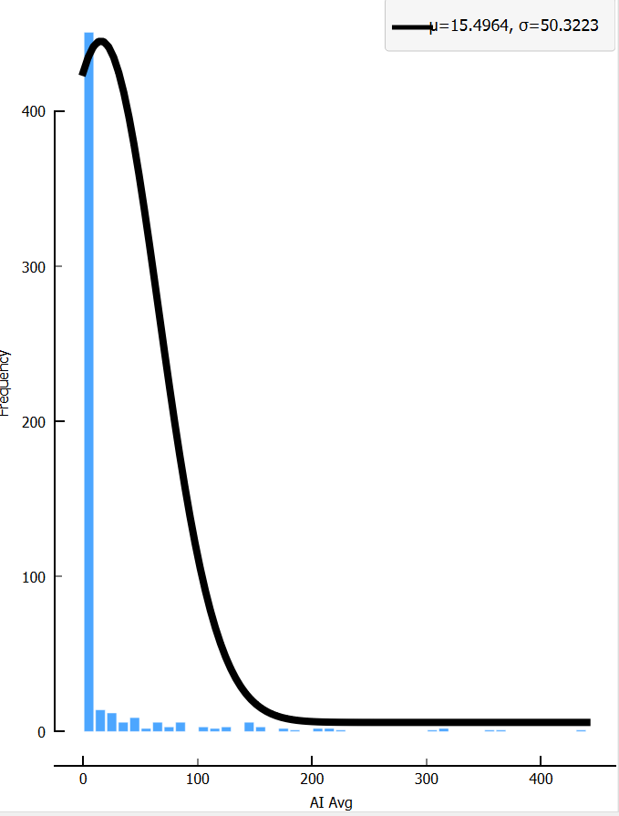
 |  |  |  |  | 5 | 5th admission

 |  |  | AIA-cat | Admission interval Average_categories | 0 | Interval admission ≤ 7 days
 |  |  |  |  | 1 | Interval admission 7-30 days
 |  |  |  |  | 2 | Interval admission 31 to 60 days
 |  |  |  |  | 3 | Interval admission 61 to 90 days
 |  |  |  |  | 4 | Interval admission 91 to 180 days
 |  |  |  |  | 5 | Interval admission 181 to 270 days
 |  |  |  |  | 6 | Interval admission 271 to 360 days
 |  |  |  |  | 7 | Interval admission >360 days

 |  | OUTPUT | LOS | Length of Stay (LOS) because of HF of current admission | 0 | <4 hari | 20 | 8.7%
 |  |  |  |  | 1 | 4 sd <7 hari | 50 | 21.7%
 |  |  |  |  | 2 | 7 sd < 10 hari | 70 | 30.4% | 100.0%
 |  |  |  |  | 3 | ≥10 hari | 90 | 39.1% | 230
 |  |  | LVEF | LVEF ( Echo : EF %) | 0 | HFrEF = LVEF <40% | 95 | 44.2%
 |  |  |  |  | 1 | HFmrEF = LVEF 40 - 50% | 70 | 32.6% | 100.0%
 |  |  |  |  | 2 | HFpEF = LVEF >50% | 50 | 23.3% | 215
 |  |  | NYHA | NYHA Classification | 1 | NYHA Class I | 40 | 14.5%
 |  |  |  |  | 2 | NYHA Class II | 60 | 21.8%
 |  |  |  |  | 3 | NYHA Class III | 80 | 29.1% | 100.0%
 |  |  |  |  | 4 | NYHA Class IV | 95 | 34.5% | 275

 |  | PEMBEDA | Add | Home Address | 1 | area jabodetabek | 90 | 50.0%
 |  |  |  |  | 2 | pulau Jawa diluar area jabodetabek | 60 | 33.3% | 100.0%
 |  |  |  |  | 3 | luar pulau Jawa | 30 | 16.7% | 180
 |  |  | Edu | Education | 0 | tidak sekolah | 80 | 15.4%
 |  |  |  |  | 1 | SD | 60 | 11.5%
 |  |  |  |  | 2 | SLTP | 65 | 12.5%
 |  |  |  |  | 3 | SLTA | 70 | 13.5%
 |  |  |  |  | 4 | S1 | 75 | 14.4%
 |  |  |  |  | 5 | S2 | 80 | 15.4% | 100.0%
 |  |  |  |  | 6 | S3 atau lebih | 90 | 17.3% | 520
 |  |  | Reli | Religion | 1 | Islam
 |  |  |  |  | 2 | Katolik
 |  |  |  |  | 3 | Protestan
 |  |  |  |  | 4 | Hindu
 |  |  |  |  | 5 | Budha
 |  |  |  |  | 6 | Kong Hu Cu
 |  |  |  |  | 7 | Lain-lain

SLR
Best Algorhythm tested
Decision tree | 0.59
Bi-Long Short-term Memory Neural Network | 0.597
Multi Layer Perceptron (MLP) | 0.62
Tree-augmented Baiyesian Network (TAN) | 0.62
Recurrent Neural Network+Conditional Random Fields (RNNCRF) | 0.642
Logistic Regression | 0.649
Extreme Gradient Boosting (XGBoost) 1 | 0.65
Boosting | 0.678
Ensemble: Super Learner using Gradient boost | 0.6897
Deep Unified Network (DUNs) | 0.705
Boosted tree | 0.719
Extreme Gradient Boosting (XGBoost) 3 | 0.723
Gradient Boosting Machine (GBM) | 0.745
Ensemble: boosted C5.0 tree & SVM | 0.768
Long Short-term Memory Neural Network | 0.77
Naïve Bayes | 0.78
Extreme Gradient Boosting (XGBoost) 2 | 0.803
Random Forest | 0.9
Artificial Neural Networks (ANNs) | 0.93

Source
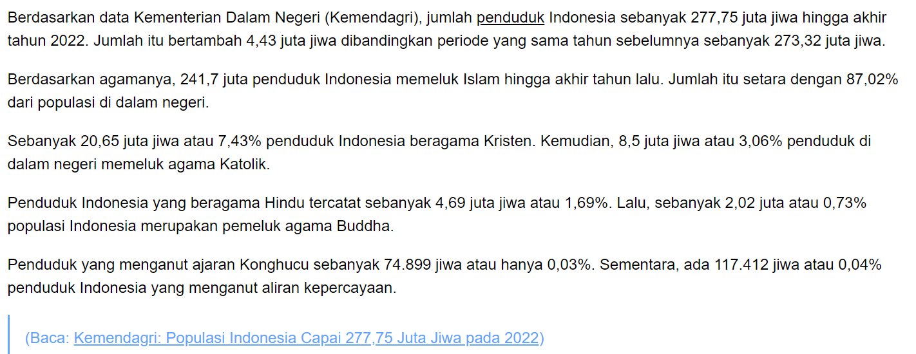
Usia | Permenkes No. 25 Tahun 2016 mengenai Rencana Aksi Nasional Kesehatan Lanjut Usia Tahun 2016-2019 dijelaskan kategori umur balita, remaja, dewasa, hingga lanjut usia (lansia), antara lain:
 | - Neonatal dan bayi: 0-1 tahun.
 | - Balita: 1-5 tahun.
 | - Anak prasekolah: 5-6 tahun.
 | - Anak: 6-10 tahun.
 | - Remaja: 10-19 tahun.
 | - Wanita usia subur (WUS) atau pasangan usia subur (PUS): 15-49 tahun.
 | - Dewasa: 19-44 tahun.
 | - Pra lanjut usia: 45-59 tahun.
 | - Lansia: usia 60 tahun ke atas

 | Mean | Median | Cite | URL
LOS | 17.29 |  | Tigabe Tekle M, Bekalu AF, Tefera YG. Length of hospital stay and associated factors among heart failure patients admitted to the University Hospital in Northwest Ethiopia. PLoS One. 2022 Jul 22;17(7):e0270809. doi: 10.1371/journal.pone.0270809. PMID: 35867684; PMCID: PMC9307162. | https://www.ncbi.nlm.nih.gov/pmc/articles/PMC9307162/
 | 7.3 |  | Samsky MD, Ambrosy AP, Youngson E, et al. Trends in Readmissions and Length of Stay for Patients Hospitalized With Heart Failure in Canada and the United States. JAMA Cardiol. 2019;4(5):444–453. doi:10.1001/jamacardio.2019.0766 | https://jamanetwork.com/journals/jamacardiology/fullarticle/2730290
 | 4.9 |  | Race, Social Determinants of Health, and Length of Stay Among Hospitalized Patients With Heart Failure: An Analysis From the Get With The Guidelines-Heart Failure Registry | https://www.ahajournals.org/doi/10.1161/CIRCHEARTFAILURE.121.009401
 |  | 4 | Length of Stay and Hospital Charges for Heart Failure Admissions in the United States: Analysis of the National Inpatient Sample Nour Tashtish Sadeer G. Al-Kindi Guilherme H.M. Oliveira Monique R. Robinson DOI:https://doi.org/10.1016/j.cardfail.2017.07.166 | https://onlinejcf.com/article/S1071-9164(17)30385-8/fulltext
 |  | 5 | Arundel, C., Lam, P. H., Faselis, C., Sheriff, H. M., Dooley, D. J., Morgan, C. ... Ahmed, A. (2021). Length of stay and readmission in older adults hospitalized for heart failure. Archives of Medical Science, 17(4), 891-899. https://doi.org/10.5114/aoms.2019.89702 | https://www.archivesofmedicalscience.com/Length-of-stay-and-readmission-in-older-adults-hospitalized-for-heart-failure,109851,0,2.html
 | 6.23 |  | Syaoqi, M., Andri, A., Krevani, C. K., & Syukri, M. (2020). Factors that influence the length of hospitalization for acute heart failure patients in RSUP Dr. M Djamil. Jurnal Profesi Medika : Jurnal Kedokteran Dan Kesehatan, 14(1). https://doi.org/10.33533/jpm.v14i1.1489 | https://ejournal.upnvj.ac.id/index.php/JPM/article/view/1489
 |  | 6 | Wright, S. P., Verouhis, D., Gamble, G., Swedberg, K., Sharpe, N., & Doughty, R. N. (2003). Factors influencing the length of hospital stay of patients with heart failure. European journal of heart failure, 5(2), 201–209. https://doi.org/10.1016/s1388-9842(02)00201-5 | https://pubmed.ncbi.nlm.nih.gov/12644013/

 | 8.93 | 5

Blood Pressure
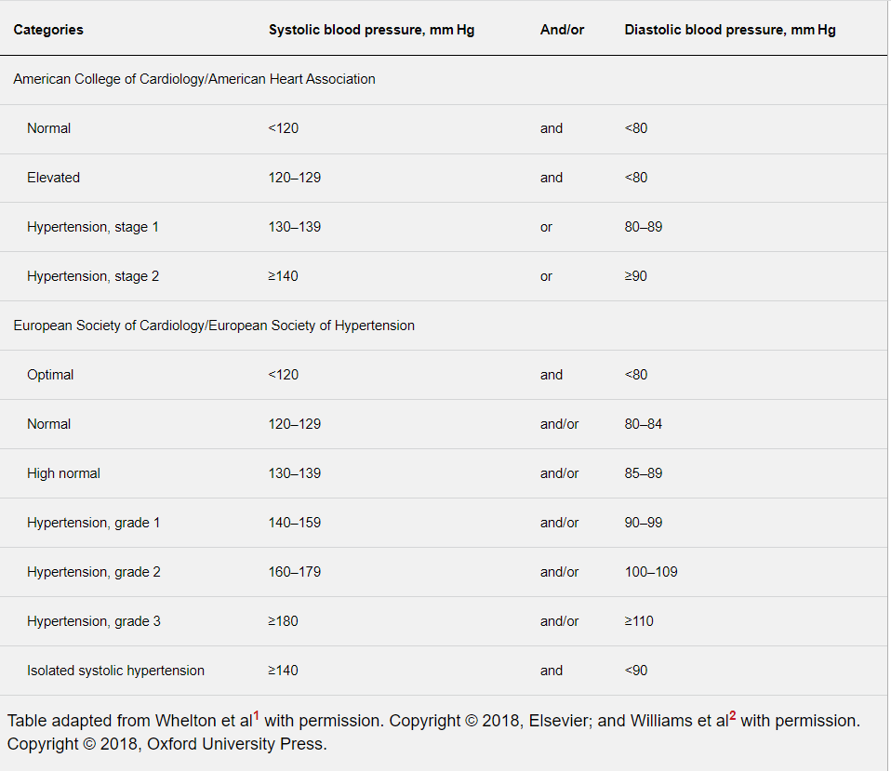

 |  |  | Hypotension is a relatively benign condition that is under-recognized mainly because it is typically asymptomatic. It only becomes a concern once pumping pressure is not sufficient to perfuse key organs with oxygenated blood. This activity reviews the causes of hypotension and highlights the role of the interprofessional team in its management. | https://www.ncbi.nlm.nih.gov/books/NBK499961/#:~:text=Hypotension%20is%20a%20decrease%20in,60%20are%20recognized%20as%20hypotensive.
 |  |  | Low blood pressure is a reading below 90/60 mm Hg | https://my.clevelandclinic.org/health/diseases/21156-low-blood-pressure-hypotension

RR | 12 to 20, elderly up to 28 | The normal respiratory rate changes with age are 12 to 20 respirations per minute for a resting adult. However, in the elderly population, an individual with more than 28 respirations/min is deemed tachypneic | Chourpiliadis C, Bhardwaj A. Physiology, Respiratory Rate. [Updated 2022 Sep 12]. In: StatPearls [Internet]. Treasure Island (FL): StatPearls Publishing; 2023 Jan-. Available from: https://www.ncbi.nlm.nih.gov/books/NBK537306/ | https://www.ncbi.nlm.nih.gov/books/NBK537306/

O2 Saturation | 94-98% | British Thoracic Society Guideline for oxygen use in adults in healthcare and emergency settings recommended target oxygen saturation of 94% to 98% for AHF patients | Ramachandran G, Prasad CHRK, Garre S, Sundar AS. Oxygen Management in Heart Failure Patients. Indian Journal of Clinical Cardiology. 2022;3(3):150-156. doi:10.1177/26324636221081585 | https://journals.sagepub.com/doi/full/10.1177/26324636221081585#:~:text=British%20Thoracic%20Society%20Guideline%20for,to%2098%25%20for%20AHF%20patients.&text=This%20target%20should%20be%20reduced,risk%20of%20hypercapnic%20respiratory%20failure.

LVEF | HFrEF = LVEF <40% | Heart failure with midrange ejection fraction (HFmrEF) is a new category of heart failure (HF), inbetween HF with reduced ejection fraction (HFrEF) and HF with preserved ejection fraction (HFpEF). | Andronic AA, Mihaila S, Cinteza M. Heart Failure with Mid-Range Ejection Fraction - a New Category of Heart Failure or Still a Gray Zone. Maedica (Bucur). 2016 Dec;11(4):320-324. PMID: 28828050; PMCID: PMC5543525. | https://www.ncbi.nlm.nih.gov/pmc/articles/PMC5543525/
 | HFmrEF = LVEF 40 - 49% | Previous studies were mainly conducted in HFrEF patients having a left ventricle ejection fraction (LVEF) lower than 35-40%. Later on, HFpEF captured the spot-light of the research field, and studies focused on patients with HF symptoms, but with a LVEF exceeding 50%.
 | HFpEF = LVEF >50% | Consequently, a gap of knowledge comprising the LVEF between 40 and 49% has arisen. Current studies focusing on patients with HFmrEF are arguing the same conclusions or even having contradictory findings.
 |  | HFmrEF has a prevalence of 10-20% of HF patients. HFmrEF has distinct, but intermediate clinical, structural and functional characteristics, as well as intermediate outcomes in comparison with HFrEF and HFpEF. However, there is still a large gap in evidence regarding detailed hemodynamic characteristics, long-term follow-up and optimal therapeutic options for these patients.

BMI | <18.5 underweight 18.5 - 24.9 Healthy weight 25.0-29.9 overweight >30 obese |  |  | https://www.cdc.gov/healthyweight/assessing/index.html#:~:text=Adult%20Body%20Mass%20Index%20or%20BMI&text=Or%20determine%20your%20BMI%20by,falls%20within%20the%20overweight%20range.

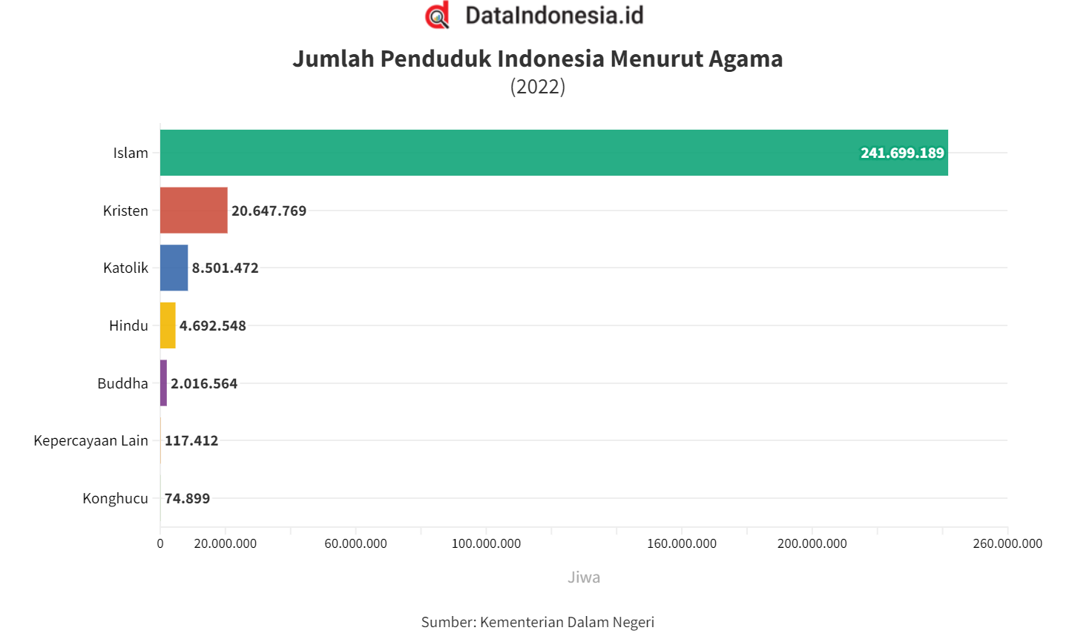
Religion

